Cover Sheet

LEVERS of Change Assets

Resources for Building a Custom Change Strategy for Your Organization

Date: 04/23/2020

LeadershipStakeholder Engagemen
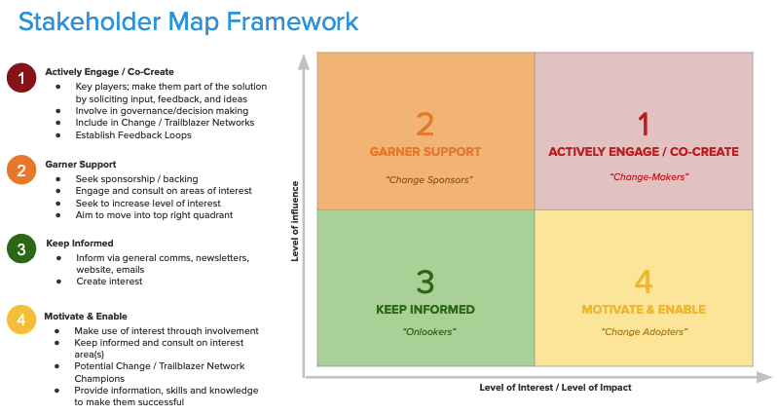
Leadership & Stakeholder Engagement Strategy

Key Stakeholders (Groups and Individuals) | Function/Role | Department (ie. Sales, Marketing, Ops., etc.) | Decision Maker Y/N | Level of Support | High-Level Engagement Approach | Goals and Expectations | Stakeholder Concerns or Issues | Strategies for Engagement | Comments
Identify Key Stakeholder Groups and individuals/people directly or indirectly impacted by this initiative | What is the key function or role of this group or individual | What department does the leader/stakeholder come from? | Is the stakeholder a decision maker? | What is the level of support or buy-in from this stakeholder group or individual (this may change over time) | Based on level of influence and impact (see stakeholder map) | Identify what is important to understand about this group or individual. What is their motivation, incentives, goals and expectations for this initiative (this may change over time) | Identify any stakeholder concerns or issues related to the initiative and the potential implications if they are not adequately addressed (this may change over time) | What are the potential strategies for obtaining support, buy-in and commitment or for eliminating (or at least minimizing) any resistance to change, obstacles, concerns or issues | Notes or Comments related to stakeholder management for this group or individual
<examples> |  |  |  |  | Actively Engage / Co-Create
Leadership Team |  |  |  |  | Keep Informed
John Doe |  |  |  |  | Motivate & Enable
IS Business Partners |  |  |  |  | Garner Support
Extended Project Team

